NV State GHG Emissions
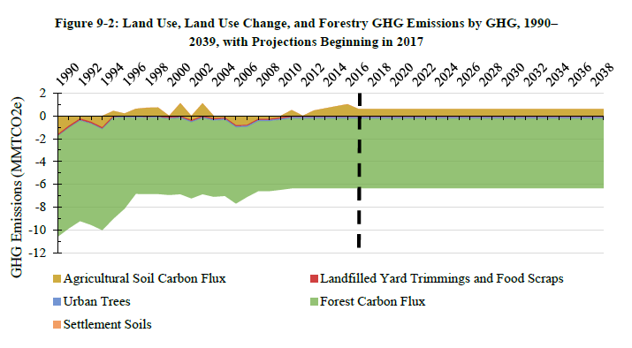
AR5

 | From state inventory:
 |  | 2016 | 2025 | 2030
 | Total MMTCO2e | -5.331 | -5.749 | -5.749

 | Estimated emissions for EPS - hold constant through 2050

 | 2016 | 2017 | 2018 | 2019 | 2020 | 2021 | 2022 | 2023 | 2024 | 2025 | 2026 | 2027 | 2028 | 2029 | 2030 | 2031 | 2032 | 2033 | 2034 | 2035 | 2036 | 2037 | 2038 | 2039 | 2040 | 2041 | 2042 | 2043 | 2044 | 2045 | 2046 | 2047 | 2048 | 2049 | 2050
MMTCO2e | -5.331 | -5.377 | -5.424 | -5.470 | -5.517 | -5.563 | -5.610 | -5.656 | -5.703 | -5.749 | -5.749 | -5.749 | -5.749 | -5.749 | -5.749 | -5.749 | -5.749 | -5.749 | -5.749 | -5.749 | -5.749 | -5.749 | -5.749 | -5.749 | -5.749 | -5.749 | -5.749 | -5.749 | -5.749 | -5.749 | -5.749 | -5.749 | -5.749 | -5.749 | -5.749
grams CO2e | -5331000000000 | -5.3774444444E+12 | -5.4238888889E+12 | -5.4703333333E+12 | -5.5167777778E+12 | -5.5632222222E+12 | -5.6096666667E+12 | -5.6561111111E+12 | -5.7025555556E+12 | -5.749E+12 | -5.749E+12 | -5.749E+12 | -5.749E+12 | -5.749E+12 | -5.749E+12 | -5.749E+12 | -5.749E+12 | -5.749E+12 | -5.749E+12 | -5.749E+12 | -5.749E+12 | -5.749E+12 | -5.749E+12 | -5.749E+12 | -5.749E+12 | -5.749E+12 | -5.749E+12 | -5.749E+12 | -5.749E+12 | -5.749E+12 | -5.749E+12 | -5.749E+12 | -5.749E+12 | -5.749E+12 | -5.749E+12

